Sayfa1
converter specs |  |  |  | driver selection?? |  | power losses
Vin | 18.000 |  |  | Qg max | 6.30E-08 | delta I ind | 8.889E-01
Vout | 2.000 |  |  | desired rise fall time | 1.50E-07 | I p | 6.444E+00
Iout | 6.000 |  |  | driving Vgs | 19 | I v | 5.556E+00
freq | 200000.000 |  |  | Ceq | 3.316E-09 | L dcr | 0.03
Kind | 0.300 |  |  | I peak min required | 4.200E-01 | P L dcr | 1.0918518519
delta I ind | 1.800 |  |  |  |  | Rds on | 0.078
L min | 4.938E-06 |  |  | rise+fall time | 1.00E-08 | P on H mos | 0.31257064472 | conduction loss
 |  |  |  |  |  | P on L mos | 2.5005651578
desired ripple | 0.010 |  |  |  |  | P sw H mos | 0.1080 | switching loss
C out min | 5.625E-05 |  |  |  |  | P sw L mos | 0.0027 | rising is less because of Schottky
C out min for over shoot | 8.000E-05 | over shoot 5% |  |  |  | Irr | 2.50E-04 | Schottky's Irr
 |  |  |  |  |  | tRR | 1.00E-07 | ??
selected L | 1.000E-05 |  |  |  |  | Vd | 0.45 | Schottky's Vd
selected C out | 1.000E-04 |  |  |  |  | P Reverse R L | 4.50E-05
 |  |  |  |  |  | Dead time | 1.50E-07 | average
 |  |  |  |  |  | Dead time loss | 0.16
mosfet selection |  |  | closing miller?? | (for miller) |  | Qg H | 1.45E-08
max duty or duty | 0.123 |  | mosfet treshold | 2 |  | Qg L | 1.45E-08
inductor ripple | 9.877E-01 |  | Ciss(Cgd+Cgs) | 550 |  | Gate Voltage | 18
max Iout | 8 |  | Crss(Cgd) | 20 |  | P gate | 0.10 | gate charge loss
Isw max | 8.900E+00 |  | c voltage divider | 0.65454545455
 |  |  |  |  |  | Total Power Loss | 4.2821
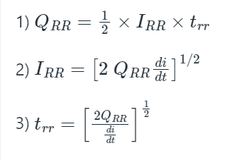
 |  |  |  |  |  | output power | 12.00
 |  | missing parts |  |  |  | efficiency | 0.73700419071
 |  | ic/operation loss
 |  | capacitor losses

